Detailed_Examples
 |  | JavaScript | C#
 | Practical applications of destructuring
1 | 1) Function parameter definitions: As developers, we can often expose more ergonomic APIs by accepting a single object with multiple properties as a parameter instead of forcing our API consumers to remember the order of many individual parameters.
 | ES6 on the left
 | ES5 on the right

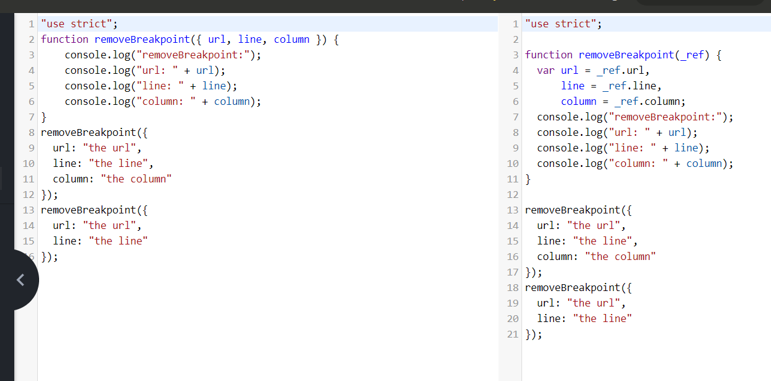

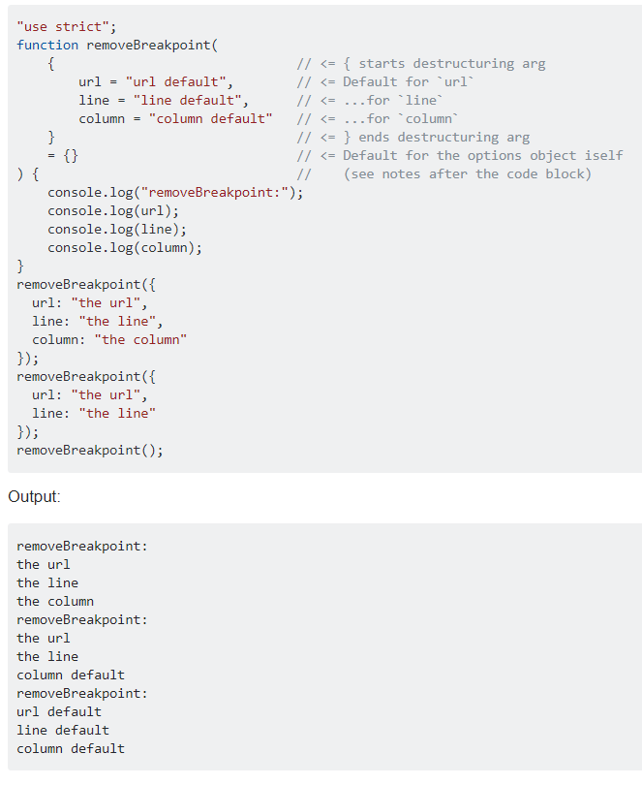

2 | 2) Configuration object parameters: (Default values) we can also give default values to the properties of the objects we are destructuring. This avoids repeating var foo = config.foo || theDefaultFoo; for each property of the configuration object.
 | Check the above example for default values

